Sheet1
No | Type | Part Number | Brand | Description | Application Summary | Vehicle W/o Engine | Vehicle W/ Engine | OEM | Picture | Url
1 | Brake Backing Plate | 924-212 | Dorman - OE Solutions | Brake Backing Plate - 1 Pair | Ford 2012-05 | Ford F-250 Super Duty 2005-2010 Ford F-350 (Mexico) 2008-2012 Ford F-350 Super Duty 2005-2012 Ford F-450 Super Duty 2011-2012 | Ford F-250 Super Duty 2005-2010 Ford F-350 (Mexico) 2008-2012 Mexico Region Ford F-350 Super Duty 2005-2012 Ford F-450 Super Duty 2011-2012 Crew Cab Pickup | 5C3Z-2B636-AA;5C3Z-2B636-BA;8C3Z-2209-A;8C3Z-2210-A | 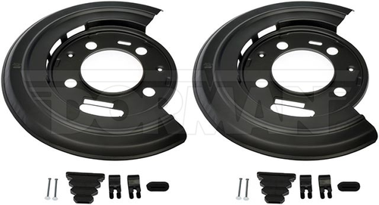 | https://www.dormanproducts.com/p-45360-924-212.aspx?origin=keyword
2 | Brake Backing Plate | 924-218 | Dorman - OE Solutions | Brake Backing Plate - 1 Pair | Chevrolet 1999-88, GMC 1999-88 | Chevrolet Blazer 1988-1999 Chevrolet C15 (Mexico) 1988 Chevrolet C1500 1988-1999 Chevrolet C1500 Suburban 1992-1999 Chevrolet K1500 1988-1999 Chevrolet K1500 Suburban 1992-1999 GMC C1500 1988-1999 GMC C1500 Suburban 1992-1999 GMC Jimmy 1988-1999 GMC K1500 1988-1999 GMC K1500 Suburban 1992-1999 | Chevrolet Blazer 1988-1999 Chevrolet C15 (Mexico) 1988 Mexico Region Chevrolet C1500 1988-1999 Chevrolet C1500 Suburban 1992-1999 Chevrolet K1500 1988-1999 Chevrolet K1500 Suburban 1992-1999 GMC C1500 1988-1999 GMC C1500 Suburban 1992-1999 GMC Jimmy 1988-1999 GMC K1500 1988-1999 GMC K1500 Suburban 1992-1999 | 18013180;18013181 | 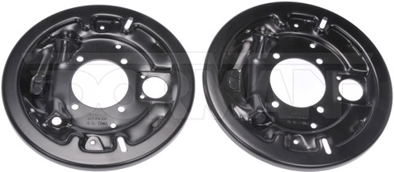 | https://www.dormanproducts.com/p-49987-924-218.aspx?origin=keyword
3 | Brake Backing Plate | 924-219 | Dorman - OE Solutions | Brake Backing Plate - 1 Pair | Jeep Grand Cherokee 2004-99 | Jeep Grand Cherokee 1999-2004 | Jeep Grand Cherokee 1999-2004 | 5011982AA | 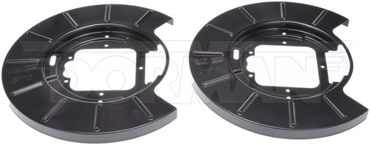 | https://www.dormanproducts.com/p-49997-924-219.aspx?origin=keyword
4 | Brake Backing Plate | 924-220 | Dorman - OE Solutions | Brake Backing Plate - 1 Pair | Buick 1987-78, Chevrolet 1992-78, GMC 1992-78, Oldsmobile 1991, 1988-78, Pontiac 1987-78 | Buick Century 1978-1981 Buick Regal 1978-1987 Chevrolet El Camino 1978-1987 Chevrolet LLV 1987-1991 Chevrolet Malibu 1978-1983 Chevrolet Monte Carlo 1978-1988 Chevrolet S10 1982-1992 Chevrolet S10 Blazer 1983-1991 GMC Caballero 1978-1987 GMC S15 1982-1990 GMC S15 Jimmy 1983-1991 GMC Sonoma 1991-1992 GMC Syclone 1991 Oldsmobile Bravada 1991 Oldsmobile Cutlass 1978-1987 Oldsmobile Cutlass Calais 1978-1984 Oldsmobile Cutlass Cruiser 1980-1983 Oldsmobile Cutlass Supreme 1978-1988 Pontiac Bonneville 1982-1986 Pontiac Grand Am 1978-1980 Pontiac Grand LeMans 1978-1981 Pontiac Grand Prix 1978-1987 Pontiac LeMans 1978-1981 | Buick Century 1978-1981 Buick Regal 1978-1987 Chevrolet El Camino 1978-1987 Chevrolet LLV 1987-1991 Chevrolet Malibu 1978-1983 Chevrolet Monte Carlo 1978-1988 Chevrolet S10 1982-1992 Chevrolet S10 Blazer 1983-1991 GMC Caballero 1978-1987 GMC S15 1982-1990 GMC S15 Jimmy 1983-1991 GMC Sonoma 1991-1992 GMC Syclone 1991 Oldsmobile Bravada 1991 Oldsmobile Cutlass 1978-1986 Oldsmobile Cutlass 1987 Rear Drum Brakes Oldsmobile Cutlass Calais 1978-1984 Oldsmobile Cutlass Cruiser 1980-1983 Oldsmobile Cutlass Supreme 1978-1987 Oldsmobile Cutlass Supreme 1988 Rear Drum Brakes Pontiac Bonneville 1982-1986 Pontiac Grand Am 1978-1980 Pontiac Grand LeMans 1978-1981 Pontiac Grand Prix 1978-1987 Pontiac LeMans 1978-1981 | 18013524;18013525 | 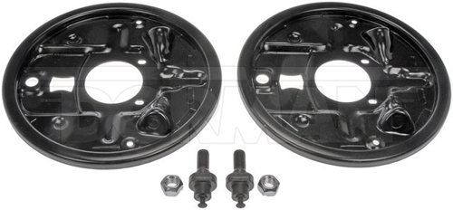 | https://www.dormanproducts.com/p-50277-924-220.aspx?origin=keyword
5 | Brake Backing Plate | 924-234 | Dorman - OE Solutions | Brake Backing Plate - 1 Pair | Chevrolet 2020-06, GMC 2020-06, Hummer 2009-06 | Chevrolet Express 2500 2008-2020 Chevrolet Express 3500 2006-2020 Chevrolet Express 4500 2009-2019 Chevrolet Silverado 2500 (Mexico) 2008-2014 Chevrolet Silverado 2500 HD 2008-2014 Chevrolet Silverado 3500 (Mexico) 2008-2010 Chevrolet Silverado 3500 HD 2008-2010 GMC Savana 2500 2008-2020 GMC Savana 3500 2006-2020 GMC Savana 4500 2009-2019 GMC Sierra 2500 HD 2008-2014 GMC Sierra 3500 HD 2008-2010 Hummer H2 2006-2009 | Chevrolet Express 2500 2008-2020 Chevrolet Express 3500 2006-2020 Chevrolet Express 4500 2009-2019 Chevrolet Silverado 2500 (Mexico) 2008-2014 Chevrolet Silverado 2500 HD 2008-2014 Chevrolet Silverado 3500 (Mexico) 2008-2010 Chevrolet Silverado 3500 HD 2008-2010 GMC Savana 2500 2008-2020 GMC Savana 3500 2006-2020 GMC Savana 4500 2009-2019 GMC Sierra 2500 HD 2008-2014 GMC Sierra 3500 HD 2008-2010 Hummer H2 2006-2009 | 15949892;85566024 | 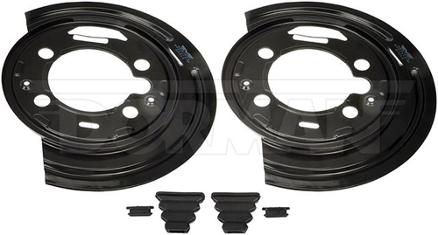 | https://www.dormanproducts.com/p-137413-924-234.aspx?origin=keyword
6 | Brake Backing Plate | 924-375 | Dorman - OE Solutions | Brake Backing Plate - 1 Pair | Subaru Forester 2008-98, Subaru Impreza 2007-93, Subaru Legacy 1999-91 | Subaru Forester 1998-2008 Subaru Impreza 1993-2007 Subaru Legacy 1991-1999 | Subaru Forester 1998-2002 S Submodel Subaru Forester 2003-2007 XS Submodel Subaru Forester 2004-2005 XT Submodel Subaru Forester 2005 XS L.L. Bean Edition Submodel Subaru Forester 2005 XT Premium Submodel Subaru Forester 2006-2007 X L.L. Bean Edition Submodel Subaru Forester 2006-2007 XT Limited Submodel Subaru Forester 2008 4-Wheel ABS; 2.5 XS Premium Submodel Subaru Forester 2008 4-Wheel ABS; 2.5 XS Submodel Subaru Forester 2008 4-Wheel ABS; 2.5 XT Submodel Subaru Forester 2008 4-Wheel ABS; Sports 2.5 XT Submodel Subaru Forester 2008 4-Wheel ABS; XT Limited Submodel Subaru Forester 2008 4-Wheel ABS; XT Submodel Subaru Impreza 1993-1994 LS Submodel Subaru Impreza 1993-2000 L Submodel Subaru Impreza 1995-1996 LX Submodel Subaru Impreza 1998-2005 RS Submodel Subaru Impreza 2002-2007 WRX Submodel Subaru Impreza 2004 Outback Submodel Subaru Impreza 2004-2007 WRX STI Submodel Subaru Impreza 2005-2007 Outback Sport Submodel Subaru Impreza 2006-2007 2.5i Submodel Subaru Impreza 2006-2007 WRX Limited Submodel Subaru Impreza 2006-2007 WRX TR Submodel Subaru Impreza 2007 WRX STI Limited Submodel Subaru Legacy 1991-1994 4-Wheel ABS; AWD Subaru Legacy 1995-1996 LS Submodel Subaru Legacy 1995-1997 4-Wheel ABS; L Submodel Subaru Legacy 1998-1999 4-Wheel ABS | 26255AA061;26255AA071 | 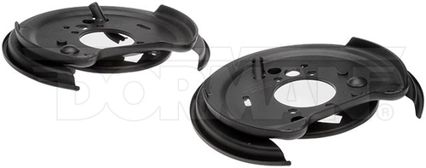 | https://www.dormanproducts.com/p-81090-924-375.aspx?origin=keyword
7 | Brake Backing Plate | 924-656 | Dorman - OE Solutions | Brake Backing Plate - 1 Pair | Ford Ranger 2009-95 | Ford Ranger 1995-2009 | Ford Ranger 1995-2009 | F57Z2211B;F57Z2212B | 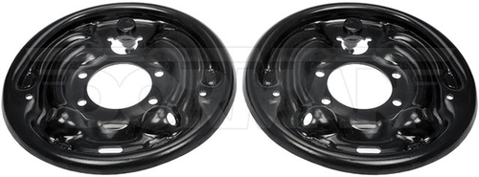 | https://www.dormanproducts.com/p-89143-924-656.aspx?origin=keyword
8 | Brake Backing Plate | 924-658 | Dorman - OE Solutions | Brake Backing Plate - 1 Pair | Cadillac 1996-91, Chevrolet 2002-92, GMC 2002-92 | Cadillac Brougham 1991-1992 Cadillac Commercial Chassis 1993-1996 Cadillac Fleetwood 1993-1996 Chevrolet C1500 1992-1998 Chevrolet C1500 Suburban 1992-1998 Chevrolet C2500 1992-1998 Chevrolet C2500 Suburban 1992-1998 Chevrolet Express 1500 1996-2002 Chevrolet Express 2500 1996-2002 Chevrolet K1500 1992-1998 Chevrolet K1500 Suburban 1992-1998 Chevrolet K2500 1992-1998 Chevrolet K2500 Suburban 1992-1998 Chevrolet Suburban (Mexico) 1992-1994 Chevrolet Suburban 1500 (Mexico) 1995-1998 Chevrolet Tahoe 1995-1998 GMC C1500 1992-1998 GMC C1500 Suburban 1992-1998 GMC C2500 1992-1998 GMC C2500 Suburban 1992-1998 GMC G2500 1996-1997 GMC K1500 1992-1998 GMC K1500 Suburban 1992-1998 GMC K2500 1992-1998 GMC K2500 Suburban 1992-1998 GMC Savana 1500 1996-2002 GMC Savana 2500 1996-2002 GMC Yukon 1992-1998 | Cadillac Brougham 1991-1992 Cadillac Commercial Chassis 1993-1996 Brougham Submodel Cadillac Fleetwood 1993-1996 Brougham Submodel Chevrolet C1500 1992-1998 Chevrolet C1500 Suburban 1992-1998 Chevrolet C2500 1992-1998 Chevrolet C2500 Suburban 1992-1998 Chevrolet Express 1500 1996-2002 Chevrolet Express 2500 1996-2002 Chevrolet K1500 1992-1998 Chevrolet K1500 Suburban 1992-1998 Chevrolet K2500 1992-1998 Chevrolet K2500 Suburban 1992-1998 Chevrolet Suburban (Mexico) 1992-1994 Chevrolet Suburban 1500 (Mexico) 1995-1998 Chevrolet Tahoe 1995-1998 GMC C1500 1992-1998 GMC C1500 Suburban 1992-1998 GMC C2500 1992-1998 GMC C2500 Suburban 1992-1998 GMC G2500 1996-1997 GMC K1500 1992-1998 GMC K1500 Suburban 1992-1998 GMC K2500 1992-1998 GMC K2500 Suburban 1992-1998 GMC Savana 1500 1996-2002 GMC Savana 2500 1996-2002 GMC Yukon 1992-1998 | 15650129;15650130 |  | https://www.dormanproducts.com/p-96550-924-658.aspx?origin=keyword
9 | Brake Backing Plate | 924-659 | Dorman - OE Solutions | Brake Backing Plate - 1 Pair | Dodge Dakota 2001-97, Jeep Cherokee 2001-90, Jeep Wrangler 2006-97, 1995-90 | Dodge Dakota 1997-2001 Jeep Cherokee 1990-2001 Jeep Wrangler 1990-2006 | Dodge Dakota 1997-2001 Jeep Cherokee 1990-2001 Jeep Wrangler 1990-2006 Rear Drum Brakes | 4856718AB;4856719AB;5017760AA;5017760AB;5017761AA;5017761AB | 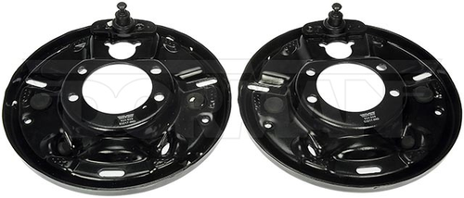 | https://www.dormanproducts.com/p-97759-924-659.aspx?origin=keyword
10 | Brake Backing Plate | 924-661 | Dorman - OE Solutions | Brake Backing Plate - 1 Pair | Toyota Avalon 2007-05, Toyota Camry 2006-04, Toyota Solara 2008-04 | Toyota Avalon 2005-2007 Toyota Camry 2004-2006 Toyota Solara 2004-2008 | Toyota Avalon 2005-2007 Toyota Camry 2004-2006 Toyota Solara 2004-2008 | 4650306030;4650406030 | 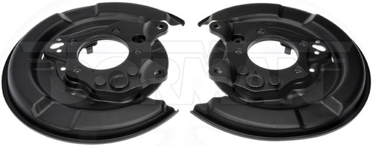 | https://www.dormanproducts.com/p-96524-924-661.aspx?origin=keyword

